Error analysis
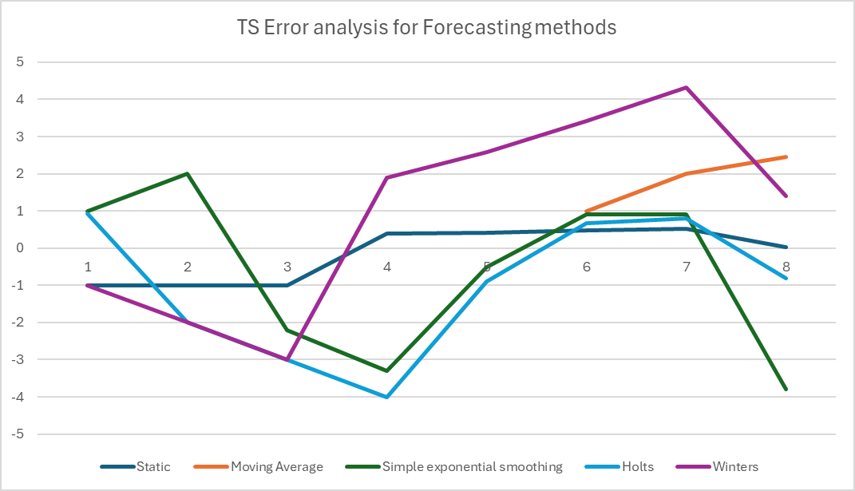
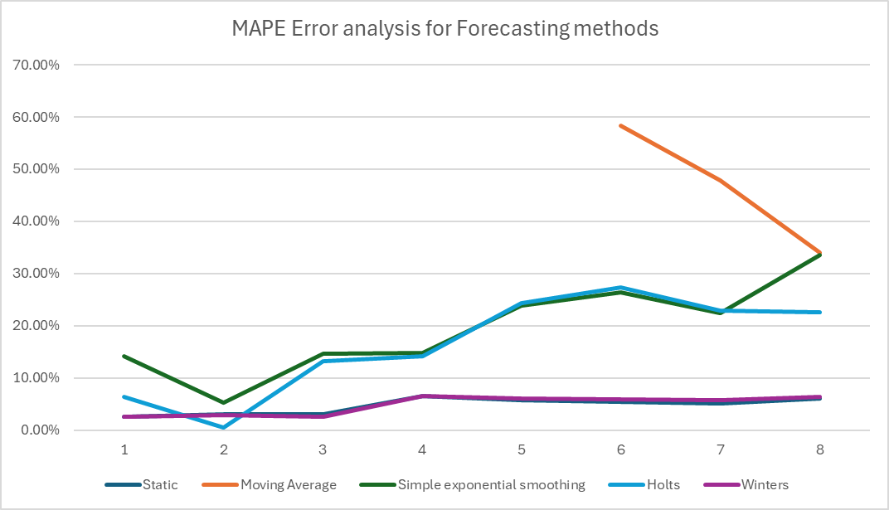
 |  | Static |  | Moving Average |  | SES |  | Holts |  | Winters
Quarter | Demand | MAPE | ts | MAPE | ts | MAPE | ts | MAPE | ts | MAPE | ts
1 | 55 | 2.51% | -1.00 |  |  | 14.15% | 1.0 | 6.39% | 0.91910328625 | 2.51% | -1.00
2 | 63 | 3.09% | -1.00 |  |  | 5.34% | 2.0 | 0.45% | -2 | 2.95% | -2.00
3 | 87 | 2.97% | -1.00 |  |  | 14.72% | -2.2 | 13.25% | -3 | 2.64% | -3.00
4 | 80 | 6.55% | 0.39 |  |  | 14.76% | -3.3 | 14.12% | -4 | 6.61% | 1.90
5 | 45 | 5.77% | 0.42 |  |  | 23.92% | -0.5 | 24.30% | -0.90597231721 | 6.10% | 2.59
6 | 50 | 5.47% | 0.47 | 58.33% | 1 | 26.38% | 0.9 | 27.37% | 0.66608517763 | 5.97% | 3.42
7 | 70 | 5.10% | 0.52 | 47.92% | 2 | 22.43% | 0.9 | 22.87% | 0.79644883558 | 5.73% | 4.32
8 | 91 | 6.07% | 0.03 | 34.09% | 2.4545454545 | 33.51% | -3.8 | 22.61% | -0.80403176998 | 6.45% | 1.39

Static
Year | Quarter | Period | Demand | Deseasonlized demand | Regressed | Seasonal Factor | Average seasonal Factor | Forecast | Error | Abs Error | MSE | MAD | Error % | ABS error % | MAPE | Bias | TS
1 | 1 | 1 | 62 |  | 102.9125 | 0.60 | 0.57 | 58.62 | -3.38 | 3.38 | 11.40 | 3.38 | -5.45% | 5.45% | 5.45% | -3.38 | -1.00
 | 2 | 2 | 95 |  | 95.8125 | 0.99 | 0.94 | 90.14 | -4.86 | 4.86 | 17.52 | 4.12 | -5.12% | 5.12% | 5.28% | -4.12 | -1.00
 | 3 | 3 | 129 | 89.250 | 88.7125 | 1.45 | 1.41 | 124.81 | -4.19 | 4.19 | 17.54 | 4.14 | -3.25% | 3.25% | 4.61% | -4.14 | -1.00
 | 4 | 4 | 82 | 82.125 | 81.6125 | 1.00 | 1.50 | 122.29 | 40.29 | 40.29 | 418.91 | 13.18 | 49.13% | 49.13% | 15.74% | 6.96 | 0.53
2 | 1 | 5 | 40 | 71.875 | 74.5125 | 0.54 | 0.57 | 42.45 | 2.45 | 2.45 | 336.32 | 11.03 | 6.11% | 6.11% | 13.81% | 6.06 | 0.55
 | 2 | 6 | 60 | 69.000 | 67.4125 | 0.89 | 0.94 | 63.42 | 3.42 | 3.42 | 282.22 | 9.76 | 5.70% | 5.70% | 12.46% | 5.62 | 0.58
 | 3 | 7 | 82 |  | 60.3125 | 1.36 | 1.41 | 84.85 | 2.85 | 2.85 | 243.06 | 8.78 | 3.48% | 3.48% | 11.18% | 5.22 | 0.60
 | 4 | 8 | 106 |  | 53.2125 | 1.99 | 1.50 | 79.73 | -26.27 | 26.27 | 298.93 | 10.96 | -24.78% | 24.78% | 12.88% | 1.29 | 0.12
3 | 1 | 9 |  |  |  |  | 0.57 | 26.27
 | 2 | 10 |  |  |  |  | 0.94 | 36.70
 | 3 | 11 |  |  |  |  | 1.41 | 44.90
 | 4 | 12 |  |  |  |  | 1.50 | 37.18
4 | 1 | 13 |  |  |  |  | 0.57 | 21.80
 | 2 | 14 |  |  |  |  | 0.94 | 33.82
 | 3 | 15 |  |  |  |  | 1.41 | 38.21
 | 4 | 16 |  |  |  |  | 1.50 | 24.67

Actual, Regressed, and Forecasted Demand
Error, MAPE, and Ts Graph
 |  |  |  |  | Period
 | Level | 110.0125 |  |  | Y22, Q1
 | Trend | -7.1 |  |  | Y22, Q2
 |  |  |  |  | Y22, Q3
 |  |  |  |  | Y22, Q4
 |  |  |  |  | Y23, Q1
 |  |  |  |  | Y23, Q2
 |  |  |  |  | Y23, Q3
 |  |  |  |  | Y23, Q4
 |  |  |  |  | Y24, Q1
 |  |  |  |  | Y24, Q2
 |  |  |  |  | Y24, Q3
 |  |  |  |  | Y24, Q4
 |  |  |  |  | Y25, Q1
 |  |  |  |  | Y25, Q2
 |  |  |  |  | Y25, Q3
 |  |  |  |  | Y25, Q4

 |  |  |  |  |  | Period | Forecast
 |  |  |  |  |  | Y22, Q1 | 58.62
 |  |  |  |  |  | Y22, Q2 | 90.14
 |  |  |  |  |  | Y22, Q3 | 124.81
 |  |  |  |  |  | Y22, Q4 | 122.29
 |  |  |  |  |  | Y23, Q1 | 42.45
 |  |  |  |  |  | Y23, Q2 | 63.42
 |  |  |  |  |  | Y23, Q3 | 84.85
 |  |  |  |  |  | Y23, Q4 | 79.73
 |  |  |  |  |  | Y24, Q1 | 26.27
 |  |  |  |  |  | Y24, Q2 | 36.70
 |  |  |  |  |  | Y24, Q3 | 44.90
 |  |  |  |  |  | Y24, Q4 | 37.18
 |  |  |  |  |  | Y25, Q1 | 21.80
 |  |  |  |  |  | Y25, Q2 | 33.82
 |  |  |  |  |  | Y25, Q3 | 38.21
 |  |  |  |  |  | Y25, Q4 | 24.67

Moving Average
Year | Quarter | Period | Demand | Level | Forecast | Error | Abs Error | MSE | MAD | %ERROR | ABS %ERROR | MAPE | BIAS | ts
 | 0
1 | 1 | 1 | 62
 | 2 | 2 | 95
 | 3 | 3 | 129
 | 4 | 4 | 82 | 92
2 | 1 | 5 | 40 | 87 | 92 | 52 | 52 | 540.80 | 10 | 63.41% | 63.41% | 63.41% | 52 | 5
 | 2 | 6 | 60 | 78 | 87 | 27 | 26.5 | 567.71 | 13 | 66.25% | 66.25% | 64.83% | 79 | 6
 | 3 | 7 | 82 | 66 | 78 | -4 | 4.25 | 489.19 | 12 | -7.08% | 7.08% | 45.58% | 74 | 6
 | 4 | 8 | 106 | 72 | 66 | -40 | 40 | 628.04 | 15 | -48.78% | 48.78% | 46.38% | 34 | 2
3 | 1 | 9 |  |  | 72
 | 2 | 10 |  |  | 72
 | 3 | 11 |  |  | 72
 | 4 | 12 |  |  | 72
4 | 1 | 13 |  |  | 72
 | 2 | 14 |  |  | 72
 | 3 | 15 |  |  | 72
 | 4 | 16 |  |  | 72

Demand and Forecast over Periods
MAPE and TS over Periods

SES
Year | Quarter | Period | Demand | Level | Forecast | Error | Abs Error | Mean squared error | MAD | Error % | Abs error | MAPE | BIAS | TS
 | 0 |  |  | 82.00
1 | 1 | 1 | 62 | 80.00 | 82.00 | 20.00 | 20.00 | 625.00 | 35.00 | 32.26% | 32.26% | 24.02% | 5.0 | 0.1
 | 2 | 2 | 95 | 81.50 | 80.00 | -15.00 | 15.00 | 112.50 | 7.50 | -15.79% | 15.79% | 15.79% | -15.0 | -2.0
 | 3 | 3 | 129 | 86.25 | 81.50 | -47.50 | 47.50 | 827.08 | 20.83 | -36.82% | 36.82% | 26.31% | -62.5 | -3.0
 | 4 | 4 | 82 | 85.83 | 86.25 | 4.25 | 4.25 | 624.83 | 16.69 | 5.18% | 5.18% | 19.26% | -58.3 | -3.5
2 | 1 | 5 | 40 | 81.24 | 85.83 | 45.83 | 45.83 | 919.85 | 22.52 | 114.56% | 114.56% | 43.09% | -12.4 | -0.6
 | 2 | 6 | 60 | 79.12 | 81.24 | 21.24 | 21.24 | 841.75 | 22.30 | 35.40% | 35.40% | 41.55% | 8.8 | 0.4
 | 3 | 7 | 82 | 79.41 | 79.12 | -2.88 | 2.88 | 722.68 | 19.53 | -3.51% | 3.51% | 35.21% | 5.9 | 0.3
 | 4 | 8 | 106 | 82.07 | 79.41 | -26.59 | 26.59 | 720.75 | 20.41 | -25.09% | 25.09% | 33.77% | -20.7 | -1.0
3 | 1 | 9 |  |  | 82.07 |  |  |  |  |  |  | 29.88%
 | 2 | 10 |  |  | 82.07
 | 3 | 11 |  |  | 82.07
 | 4 | 12 |  |  | 82.07
4 | 1 | 13 |  |  | 82.07
 | 2 | 14 |  |  | 82.07
 | 3 | 15 |  |  | 82.07
 | 4 | 16 |  |  | 82.07

Demand vs Forecast
MAPE and TS over Periods

Holts
Year | Quarter | Period | Demand | Level | Trend | Forecast | Error | Abs Error | Mean squared error | MAD | Error % | Abs error | MAPE | BIAS | TS
 | 0 |  |  | 60 | 2
1 | 1 | 1 | 62 | 62 | 2 | 62 | 0 | 0 | 993.2940496 | 31.7358 | -0.35% | 0.35% | 16.76% | -32 | -1
 | 2 | 2 | 95 | 67 | 2 | 63 | -32 | 32 | 496.6228248 | 15.7579 | -33.17% | 33.17% | 33.17% | -32 | -2
 | 3 | 3 | 129 | 75 | 3 | 69 | -60 | 60 | 1545.801226 | 30.627554 | -46.80% | 46.80% | 39.99% | -92 | -3
 | 4 | 4 | 82 | 78 | 3 | 77 | -5 | 5 | 1164.942132 | 24.1529528 | -5.77% | 5.77% | 28.58% | -97 | -4
2 | 1 | 5 | 40 | 76 | 2 | 80 | 40 | 40 | 1258.257793 | 27.40077901 | 100.98% | 100.98% | 46.68% | -56 | -2.051756533
 | 2 | 6 | 60 | 77 | 2 | 79 | 19 | 19 | 1106.191253 | 25.93352796 | 31.00% | 31.00% | 43.54% | -38 | -1.450726436
 | 3 | 7 | 82 | 79 | 2 | 79 | -3 | 3 | 949.6304755 | 22.68645682 | -3.91% | 3.91% | 36.94% | -41 | -1.799597218
 | 4 | 8 | 106 | 84 | 2 | 81 | -25 | 25 | 907.7642772 | 22.94979499 | -23.39% | 23.39% | 35.00% | -66 | -2.859269408
3 | 1 | 9 |  |  |  | 86
 | 2 | 10 |  |  |  | 88
 | 3 | 11 |  |  |  | 91
 | 4 | 12 |  |  |  | 93
4 | 1 | 13 |  |  |  | 95
 | 2 | 14 |  |  |  | 98
 | 3 | 15 |  |  |  | 100
 | 4 | 16 |  |  |  | 102

Demand vs Forecast
MAPE and TS over Periods

Winters
Year | Quarter | Period | Demand | Level | Trend | Seasonal Factors | Forecast | Error | Abs Error | Mean squared error | MAD | Error % | Abs error | MAPE | BIAS | TS | static
 | 0 |  |  | 110.0 | -7.1 |  |  |  |  |  |  |  |  |  |  |  | mape | TS
1 | 1 | 1 | 62 | 103.51 | -7.04 | 0.57 | 58.62 | -3.38 | 3.38 | 11.40 | 3.38 | -5.45% | 5.45% | 5.45% | -3.38 | -1.00 | 5.45% | -1.00
 | 2 | 2 | 95 | 96.92 | -7.00 | 0.94 | 90.75 | -4.25 | 4.25 | 14.72 | 3.81 | -4.47% | 4.47% | 4.96% | -7.62 | -2.00 | 5.28% | -1.00
 | 3 | 3 | 129 | 90.10 | -6.98 | 1.41 | 126.51 | -2.49 | 2.49 | 11.89 | 3.37 | -1.93% | 1.93% | 3.95% | -10.12 | -3.00 | 4.61% | -1.00
 | 4 | 4 | 82 | 80.28 | -7.26 | 1.50 | 124.55 | 42.55 | 42.55 | 461.45 | 13.17 | 51.88% | 51.88% | 15.93% | 32.43 | 2.46 | 15.74% | 0.53
2 | 1 | 5 | 40 | 72.70 | -7.29 | 0.57 | 41.81 | 1.81 | 1.81 | 369.81 | 10.89 | 4.52% | 4.52% | 13.65% | 34.23 | 3.14 | 13.81% | 0.55
 | 2 | 6 | 60 | 65.22 | -7.31 | 0.94 | 61.79 | 1.79 | 1.79 | 308.71 | 9.38 | 2.99% | 2.99% | 11.87% | 36.03 | 3.84 | 12.46% | 0.58
 | 3 | 7 | 82 | 57.93 | -7.31 | 1.41 | 81.61 | -0.39 | 0.39 | 264.63 | 8.09 | -0.47% | 0.47% | 10.25% | 35.64 | 4.40 | 11.18% | 0.60
 | 4 | 8 | 106 | 52.87 | -7.09 | 1.45 | 73.44 | -32.56 | 32.56 | 364.06 | 11.15 | -30.72% | 30.72% | 12.80% | 3.08 | 0.28 | 12.88% | 0.12
3 | 1 | 9 |  |  |  | 0.57 | 58.44
 | 2 | 10 |  |  |  | 0.94 | 89.87
 | 3 | 11 |  |  |  | 1.41 | 124.49
 | 4 | 12 |  |  |  | 1.51 | 122.31
4 | 1 | 13 |  |  |  | 0.57 | 58.44
 | 2 | 14 |  |  |  | 0.94 | 89.87
 | 3 | 15 |  |  |  | 1.41 | 124.49
 | 4 | 16 |  |  |  | 1.51 | 122.31

Demand and Forecast
Demand Seasonality

 |  |  |  | Time | Demand
 |  |  |  | Y21,Q1 | 62
 |  |  |  | Y21,Q2 | 95
 |  |  |  | Y21,Q3 | 129
 |  |  |  | Y21,Q4 | 82
 |  |  |  | Y22,Q1 | 40
 |  |  |  | Y22,Q2 | 60
 |  |  |  | Y22,Q3 | 82
 |  |  |  | Y22,Q4 | 106

Demand Seasonality

